Hoja1
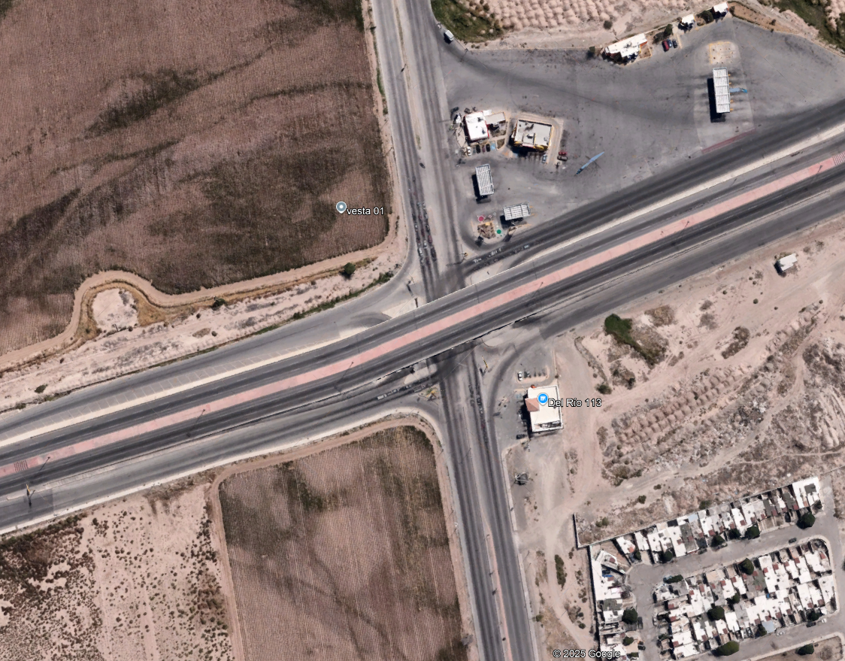
Juarez Porvenir
Hr/Mov | 1_2 |  |  | 1_3 |  |  | 1_4 |  |  | 2_1 |  |  | 2_2 |  |  | 2_3 |  |  | 2_4 |  |  | 3_1 |  |  | 3_2 |  |  | 3_3 |  |  | 3_4 |  |  | 4_1 |  |  | 4_2 |  |  | 4_3 |  |  | 4_4
 | A | B | C | A | B | C | A | B | C | A | B | C | A | B | C | A | B | C | A | B | C | A | B | C | A | B | C | A | B | C | A | B | C | A | B | C | A | B | C | A | B | C | A | B | C
6:45 AM - 7:00 AM | 463 | 21 | 21 | 200 | 9 | 14 | 120 | 2 | 15 | 102 | 16 | 5 | 2 | 0 | 1 | 171 | 10 | 13 | 16 | 5 | 5 | 102 | 16 | 1 | 191 | 1 | 21 | 47 | 0 | 2 | 2 | 0 | 0 | 71 | 16 | 0 | 10 | 0 | 2 | 5 | 2 | 0 | 13 | 1 | 4
1
7:00 AM - 7:15 AM | 307 | 5 | 5 | 184 | 7 | 17 | 133 | 1 | 2 | 141 | 12 | 2 | 2 | 0 | 1 | 163 | 6 | 16 | 14 | 1 | 2 | 95 | 14 | 2 | 153 | 1 | 17 | 38 | 1 | 1 | 3 | 0 | 0 | 54 | 7 | 0 | 7 | 0 | 1 | 6 | 0 | 0 | 15 | 0 | 4
7:15 AM - 7:30 AM | 312 | 4 | 11 | 92 | 9 | 18 | 113 | 3 | 3 | 140 | 9 | 5 | 3 | 0 | 1 | 197 | 3 | 16 | 14 | 1 | 3 | 74 | 7 | 2 | 147 | 2 | 18 | 43 | 1 | 0 | 2 | 0 | 2 | 58 | 6 | 1 | 9 | 0 | 4 | 7 | 0 | 0 | 18 | 2 | 3
7:30 AM - 7:45 AM | 329 | 7 | 14 | 109 | 7 | 14 | 67 | 1 | 0 | 122 | 7 | 6 | 1 | 0 | 0 | 161 | 3 | 13 | 13 | 2 | 3 | 98 | 6 | 4 | 172 | 1 | 21 | 44 | 0 | 0 | 2 | 0 | 0 | 76 | 1 | 2 | 10 | 0 | 3 | 4 | 0 | 0 | 17 | 0 | 3
TOTAL | 1411 | 37 | 51 | 585 | 32 | 63 | 433 | 7 | 20 | 505 | 44 | 18 | 8 | 0 | 3 | 692 | 22 | 58 | 57 | 9 | 13 | 369 | 43 | 9 | 663 | 5 | 77 | 172 | 2 | 3 | 9 | 0 | 2 | 259 | 30 | 3 | 36 | 0 | 10 | 22 | 2 | 0 | 63 | 3 | 14
3
TOTALES | 1499 |  |  | 680 |  |  | 460 |  |  | 567 |  |  | 11 |  |  | 772 |  |  | 79 |  |  | 421 |  |  | 745 |  |  | 177 |  |  | 11 |  |  | 292 |  |  | 46 |  |  | 24 |  |  | 80
Blvd. Independencia
Hr/Mov | 1_2 |  |  | 1_3 |  |  | 1_4 |  |  | 2_1 |  |  | 2_2 |  |  | 2_3 |  |  | 2_4 |  |  | 3_1 |  |  | 3_2 |  |  | 3_3 |  |  | 3_4 |  |  | 4_1 |  |  | 4_2 |  |  | 4_3 |  |  | 4_4
 | A | B | C | A | B | C | A | B | C | A | B | C | A | B | C | A | B | C | A | B | C | A | B | C | A | B | C | A | B | C | A | B | C | A | B | C | A | B | C | A | B | C | A | B | C
4:45 PM - 5:00 PM | 166 | 8 | 2 | 114 | 5 | 5 | 51 | 3 | 0 | 246 | 7 | 2 | 0 | 0 | 0 | 202 | 9 | 3 | 10 | 0 | 0 | 100 | 5 | 8 | 160 | 2 | 23 | 85 | 2 | 0 | 1 | 0 | 1 | 81 | 14 | 1 | 8 | 0 | 1 | 6 | 0 | 1 | 42 | 4 | 8
5:00 PM - 5:15 PM | 144 | 8 | 3 | 100 | 10 | 2 | 43 | 8 | 5 | 190 | 6 | 0 | 0 | 0 | 0 | 173 | 5 | 8 | 14 | 1 | 0 | 116 | 5 | 6 | 130 | 0 | 28 | 79 | 0 | 1 | 2 | 0 | 0 | 67 | 0 | 8 | 19 | 0 | 7 | 7 | 0 | 1 | 65 | 0 | 11
4
5:15 PM - 5:30 PM | 197 | 8 | 7 | 0 | 0 | 0 | 96 | 6 | 2 | 270 | 4 | 1 | 3 | 0 | 0 | 249 | 3 | 7 | 6 | 0 | 0 | 128 | 7 | 14 | 113 | 6 | 24 | 57 | 4 | 2 | 3 | 0 | 2 | 86 | 3 | 3 | 8 | 0 | 4 | 11 | 0 | 0 | 68 | 1 | 5
5:30 PM - 5:45 PM | 165 | 7 | 8 | 0 | 0 | 0 | 47 | 1 | 0 | 202 | 1 | 0 | 3 | 0 | 0 | 266 | 2 | 7 | 6 | 0 | 2 | 155 | 7 | 9 | 146 | 8 | 25 | 50 | 3 | 1 | 3 | 0 | 2 | 91 | 5 | 4 | 21 | 1 | 5 | 8 | 0 | 1 | 38 | 0 | 8
TOTAL | 672 | 31 | 20 | 214 | 15 | 7 | 237 | 18 | 7 | 908 | 18 | 3 | 6 | 0 | 0 | 890 | 19 | 25 | 36 | 1 | 2 | 499 | 24 | 37 | 549 | 16 | 100 | 271 | 9 | 4 | 9 | 0 | 5 | 325 | 22 | 16 | 56 | 1 | 17 | 32 | 0 | 3 | 213 | 5 | 32
TOTALES | 723 |  |  | 236 |  |  | 262 |  |  | 929 |  |  | 6 |  |  | 934 |  |  | 39 |  |  | 560 |  |  | 665 |  |  | 284 |  |  | 14 |  |  | 363 |  |  | 74 |  |  | 35 |  |  | 250

2

